Addressing Table
Part 1: Subnet the Assignment Network

 | 1st Octet | 2nd Octet | 3rd Octet | 7 | 6 | 5 | 4 | 3 | 2 | 1 | 0 | Bit
Plus |  |  |  | 2^7=128 | 2^6=64 | 2^5=32 | 2^4=16 | 2^3=8 | 2^2=4 | N/A | N/A | Plus |  | PREFIX | SUBNET MASK | BINARY | NO. OF SUBNETS | NO. OF HOSTS PER SUBNET
No. of Host Per Subnet |  |  |  | 2^7-2=126 | 2^6-2=62 | 2^5-2=30 | 2^4-2=14 | 2^3-2=6 | 2^2-2=2 | N/A | N/A | Max. # Hosts. |  | /24 | 255.255.255.0 | 11111111.11111111.11111111.00000000 | 2^0 = 1 | 2^8 - 2 = 256 -2 = 254
Prefix /CIDR (Classless Inter-Domain Routing (CIDR) is a range of IP addresses a network uses) |  |  |  | /25 | /26 | /27 | /28 | /29 | /30 | N/A | N/A | Mask CIDR |  | /25 | 255.255.255.128 | 11111111.11111111.11111111.10000000 | 2^1 = 2 | 2^7 - 2 = 128 - 2 = 126
No. of Subnet |  |  |  | 2^1=2 | 2^2=4 | 2^3=8 | 2^4=16 | 2^5=32 | 2^6=64 | N/A | N/A |  |  | /26 | 255.255.255.192 | 11111111.11111111.11111111.11000000 | 2^2 = 4 | 2^6 - 2 = 64 - 2 = 62
Subnet Mask |  |  |  | 255.255.255.128 | 255.255.255.192 | 255.255.255.224 | 255.255.255.240 | 255.255.255.248 | 255.255.255.252 | N/A | N/A |  |  | /27 | 255.255.255.224 | 11111111.11111111.11111111.11100000 | 2^3 = 8 | 2^5 - 2 = 30
Binary |  |  |  | 11111111.11111111.11111111.10000000 | 11111111.11111111.11111111.11000000 | 11111111.11111111.11111111.11100000 | 11111111.11111111.11111111.11110000 | 11111111.11111111.11111111.11111000 | 11111111.11111111.11111111.11111100 | N/A | N/A |  |  | /28 | 255.255.255.240 | 11111111.11111111.11111111.11110000 | 2^4 = 16 | 2^4 - 2 = 14
 |  |  |  |  |  |  |  |  |  |  |  |  |  | /29 | 255.255.255.248 | 11111111.11111111.11111111.11111000 | 2^5 = 32 | 2^3 - 2 = 6
 | Base Network Address |  |  |  |  |  |  |  |  |  |  |  |  | /30 | 255.255.255.252 | 11111111.11111111.11111111.11111100 | 2^6 = 64 | 2^2 - 2 = 2
 | 200.10.1.0/24
Devices | Base | # Hosts | Network | / | Mask |  | Plus | Max. # Hosts | 1st IP | Last IP | Broadcast Address |  | Steps for subnetting
HQ_SW1, File Server | NetB | 28 | 200.10.1.0 | / | 27 |  | 32 | 30 | 200.10.1.1 | 200.10.1.30 | 200.10.1.31 | 1 | Start by looking at the base network address |  |  | 200.10.1.0/24
BR_SW1, PCB | NetE - Design Team | 28 | 200.10.1.32 | / | 27 |  | 32 | 30 | 200.10.1.33 | 200.10.1.62 | 200.10.1.63 | 2 | Arrange the network by descending order, largest host to smallest host |  |  |  |  |  | 28>28>14>7>2
HQ-SW2, Web Server | NetA | 14 | 200.10.1.64 | / | 28 |  | 16 | 14 | 200.10.1.65 | 200.10.1.78 | 200.10.1.79 | 3 | Look at row 5 (Max.# Host), to see which one gives you sufficient host to allocate
BR_SW2, PCA | NetD - Accounting Team | 7 | 200.10.1.80 | / | 28 |  | 16 | 14 | 200.10.1.81 | 200.10.1.94 | 200.10.1.95 | 4 | Once you identified the column - fill up accordingly Prefix = Mask, Plus = Plus and Max.# Host = Max.# Host column in table
BR_SW3, LAPTOPC-1, LAPTOPC-2, Printer1 | Sales Department | 7 | 200.10.1.96 | / | 28 |  | 16 | 14 | 200.10.1.97 | 200.10.1.110 | 200.10.1.111
HQ_RTR, BR_RTR | NetC | 2 | 200.10.1.112 | / | 30 |  | 4 | 2 | 200.10.1.113 | 200.10.1.114 | 200.10.1.115 | 5 | 1st IP Address = Network + 1
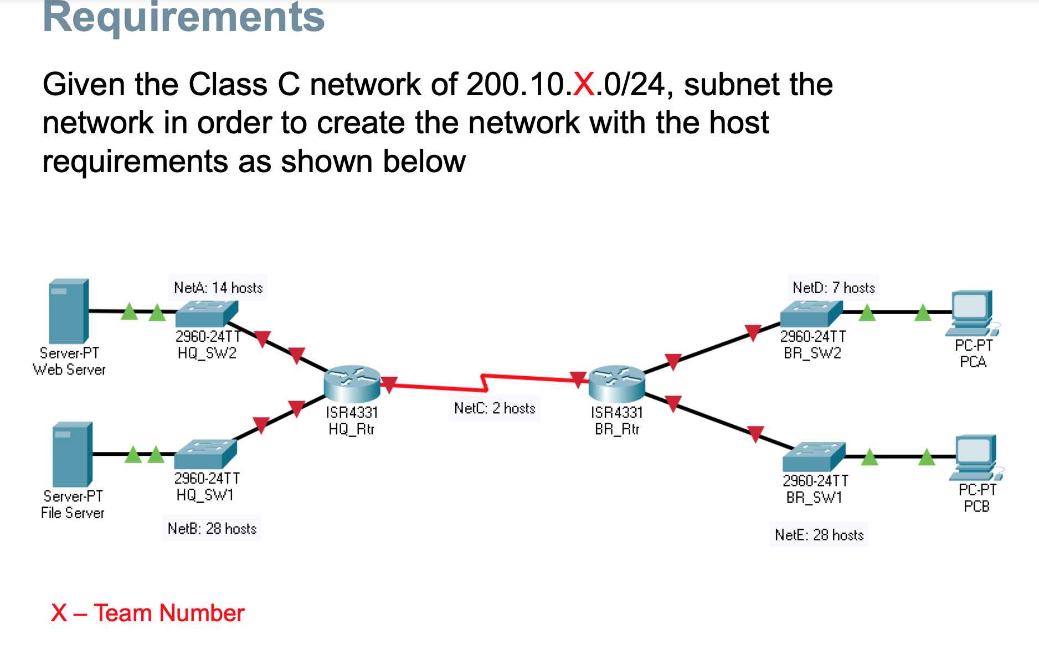
 |  |  |  |  |  |  |  |  |  |  |  | 6 | Last IP Address = Network + [Max. # Host]
 |  |  |  |  |  |  |  |  |  |  |  | 7 | Broadcast Address = Network + [Plus] - 1
 |  |  |  |  |  |  |  |  |  |  |  | 8 | Move on to next Subnet if there is host to cater to
Step 1.1 Assign the first subnet to NetB |  |  |  |  |  |  |  |  |  |  |  | 9 | Repeat Step 1 to 8

1) Use the first host address for the HQ_RTR interface connected to HQ_SW1 switch.

2) Use the second host address for the HQ_SW1 switch. Make sure to assign a default gateway address for the switch.

3) Use the last host address for File Server. Make sure to assign a default gateway address for the Web Server
Addressing Table
Device | Interface | IP Address | Subnet Mask | Default Gateway
HQ_RTR (Router) | G0/0 |  |  | N/A
 | G0/1 | 200.10.1.1 | 255.255.255.224
 | S0/1/0 |  |  |  | ,
BR_RTR (Router) | G0/0 |  |  | N/A
 | G0/1
 | S0/1/0
HQ_SW1 (Switch) | VLAN1 | 200.10.1.2 | 255.255.255.224 | 200.10.1.1 |  | FINAL ADDRESSING TABLE
 |  |  |  |  |  | Addressing Table
HQ_SW2 (Switch) | VLAN1 |  |  |  |  | Device | Interface | IP Address | Subnet Mask | Default Gateway
 |  |  |  |  |  | HQ_RTR (Router) | G0/0 | 200.10.1.65 | 255.255.255.240 | N/A
BR_SW1 (Switch) | VLAN1 |  |  |  |  |  | G0/1 | 200.10.1.1 | 255.255.255.224
 |  |  |  |  |  |  | Se/3/0 | 200.10.1.97 | 255.255.255.252
BR_SW2 (Switch) | VLAN1 |  |  |  |  | BR_RTR (Router) | G0/0 | 200.10.1.81 | 255.255.255.240 | N/A
 |  |  |  |  |  |  | G0/1 | 200.10.1.33 | 255.255.255.224
PCA | NIC |  |  |  |  |  | Se/3/0 | 200.10.1.98 | 255.255.255.252
PCB | NIC |  |  |  |  | HQ_SW1 (Switch) | VLAN1 | 200.10.1.2 | 255.255.255.224 | 200.10.1.1
Web Server | NIC
File Server | NIC | 200.10.1.30 | 255.255.255.224 | 200.10.1.1 |  | HQ_SW2 (Switch) | VLAN1 | 200.10.1.66 | 255.255.255.240 | 200.10.1.65

 |  |  |  |  |  | BR_SW1 (Switch) | VLAN1 | 200.10.1.34 | 255.255.255.224 | 200.10.1.33
Step 1.2. Assign the second subnet to NetE
 |  |  |  |  |  | BR_SW2 (Switch) | VLAN1 | 200.10.1.82 | 255.255.255.240 | 200.10.1.81
1) Use the first host address for the BR_RTR interface connected to BR_SW1 switch.
 |  |  |  |  |  | PCA-1 | NIC | 200.10.1.94 | 255.255.255.240 | 200.10.1.81
2) Use the second host address for the BR_SW1 switch. Make sure to assign a default gateway address for the switch. |  |  |  |  |  | PCB | NIC | 200.10.1.62 | 255.255.255.224 | 200.10.1.33
 |  |  |  |  |  | Web Server | NIC | 200.10.1.78 | 255.255.255.240 | 200.10.1.65
3) Use the last host address for PC-B. Make sure to assign a default gateway address for the PC. |  |  |  |  |  | File Server | NIC | 200.10.1.30 | 255.255.255.224 | 200.10.1.1

Addressing Table
Device | Interface | IP Address | Subnet Mask | Default Gateway
HQ_RTR (Router) | G0/0 |  |  | N/A
 | G0/1 | 200.10.1.1 | 255.255.255.224
 | S0/1/0
BR_RTR (Router) | G0/0 |  |  | N/A
 | G0/1 | 200.10.1.33 | 255.255.255.224
 | S0/1/0
HQ_SW1 (Switch) | VLAN1 | 200.10.1.2 | 255.255.255.224 | 200.10.1.1

HQ_SW2 (Switch) | VLAN1

BR_SW1 (Switch) | VLAN1 | 200.10.1.34 | 255.255.255.224 | 200.10.1.33 |  | PCA-2 | NIC
 |  |  |  |  |  | PCB-2 | NIC
BR_SW2 (Switch) | VLAN1

PCA | NIC
PCB | NIC | 200.10.1.62 | 255.255.255.224 | 200.10.1.33
Web Server | NIC
File Server | NIC | 200.10.1.30 | 255.255.255.224 | 200.10.1.1

Step 1.3. Assign the third subnet to NetA

1) Use the first host address for the HQ_RTR interface connected to HQ_SW2 switch.

2) Use the second host address for the HQ_SW2 switch. Make sure to assign a default gateway address for the switch.

3) Use the last host address for Web Server. Make sure to assign a default gateway address for the Web Server.

Addressing Table
Device | Interface | IP Address | Subnet Mask | Default Gateway
HQ_RTR (Router) | G0/0 | 200.10.1.65 | 255.255.255.240 | N/A
 | G0/1 | 200.10.1.1 | 255.255.255.224
 | S0/1/0
BR_RTR (Router) | G0/0 |  |  | N/A
 | G0/1 | 200.10.1.33 | 255.255.255.224
 | S0/1/0
HQ_SW1 (Switch) | VLAN1 | 200.10.1.2 | 255.255.255.224 | 200.10.1.1

HQ_SW2 (Switch) | VLAN1 | 200.10.1.66 | 255.255.255.240 | 200.10.1.65

BR_SW1 (Switch) | VLAN1 | 200.10.1.34 | 255.255.255.224 | 200.10.1.33

BR_SW2 (Switch) | VLAN1

PCA | NIC
PCB | NIC | 200.10.1.62 | 255.255.255.224 | 200.10.1.33
Web Server | NIC | 200.10.1.78 | 255.255.255.240 | 200.10.1.65
File Server | NIC | 200.10.1.30 | 255.255.255.224 | 200.10.1.1
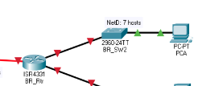
Step 1.4 Assign the fourth subnet to NetD

1) Use the first host address for the BR_RTR interface connected to BR_SW2 switch.

2) Use the second host address for the BR_SW2 switch. Make sure to assign a default gateway address for the switch.

3) Use the last host address for PCA. Make sure to assign a default gateway address for the PCA.

Addressing Table
Device | Interface | IP Address | Subnet Mask | Default Gateway
HQ_RTR (Router) | G0/0 | 200.10.1.65 | 255.255.255.240 | N/A
 | G0/1 | 200.10.1.1 | 255.255.255.224
 | S0/1/0
BR_RTR (Router) | G0/0 | 200.10.1.81 | 255.255.255.240 | N/A
 | G0/1 | 200.10.1.33 | 255.255.255.224
 | S0/1/0
HQ_SW1 (Switch) | VLAN1 | 200.10.1.2 | 255.255.255.224 | 200.10.1.1

HQ_SW2 (Switch) | VLAN1 | 200.10.1.66 | 255.255.255.240 | 200.10.1.65

BR_SW1 (Switch) | VLAN1 | 200.10.1.34 | 255.255.255.224 | 200.10.1.33

BR_SW2 (Switch) | VLAN1 | 200.10.1.82 | 255.255.255.240 | 200.10.1.81

PCA | NIC | 200.10.1.94 | 255.255.255.240 | 200.10.1.81
PCB | NIC | 200.10.1.62 | 255.255.255.224 | 200.10.1.33
Web Server | NIC | 200.10.1.78 | 255.255.255.240 | 200.10.1.65
File Server | NIC | 200.10.1.30 | 255.255.255.224 | 200.10.1.1


Step 1.5 Assign the fourth subnet to NetC

1) Use the first host address for the HQ_RTR interface connected to BR_RTR.

2) Use the last host address for BR_RTR to HQ_RTR

Addressing Table
Device | Interface | IP Address | Subnet Mask | Default Gateway
HQ_RTR (Router) | G0/0 | 200.10.1.65 | 255.255.255.240 | N/A
 | G0/1 | 200.10.1.1 | 255.255.255.224
 | Se/1/0 | 200.10.1.97 | 255.255.255.252
BR_RTR (Router) | G0/0 | 200.10.1.81 | 255.255.255.240 | N/A
 | G0/1 | 200.10.1.33 | 255.255.255.224
 | Se/1/0 | 200.10.1.98 | 255.255.255.252
HQ_SW1 (Switch) | VLAN1 | 200.10.1.2 | 255.255.255.224 | 200.10.1.1

HQ_SW2 (Switch) | VLAN1 | 200.10.1.66 | 255.255.255.240 | 200.10.1.65

BR_SW1 (Switch) | VLAN1 | 200.10.1.34 | 255.255.255.224 | 200.10.1.33

BR_SW2 (Switch) | VLAN1 | 200.10.1.82 | 255.255.255.240 | 200.10.1.81

PCA | NIC | 200.10.1.94 | 255.255.255.240 | 200.10.1.81
PCB | NIC | 200.10.1.62 | 255.255.255.224 | 200.10.1.33
Web Server | NIC | 200.10.1.78 | 255.255.255.240 | 200.10.1.65
File Server | NIC | 200.10.1.30 | 255.255.255.224 | 200.10.1.1

Addressing Table (Final)
Subnet Assignment Network

 | 1st Octet | 2nd Octet | 3rd Octet | 7 | 6 | 5 | 4 | 3 | 2 | 1 | 0 |  | Bit
Plus |  |  |  | 2^7=128 | 2^6=64 | 2^5=32 | 2^4=16 | 2^3=8 | 2^2=4 | N/A | N/A |  | Plus
No. of Host Per Subnet |  |  |  | 2^7-2=126 | 2^6-2=62 | 2^5-2=30 | 2^4-2=14 | 2^3-2=6 | 2^2-2=2 | N/A | N/A |  | Max. # Hosts.
Prefix /CIDR (Classless Inter-Domain Routing (CIDR) is a range of IP addresses a network uses) |  |  |  | /25 | /26 | /27 | /28 | /29 | /30 | N/A | N/A |  | Mask CIDR
No. of Subnet |  |  |  | 2^1=2 | 2^2=4 | 2^3=8 | 2^4=16 | 2^5=32 | 2^6=64 | N/A | N/A
Subnet Mask |  |  |  | 255.255.255.128 | 255.255.255.192 | 255.255.255.224 | 255.255.255.240 | 255.255.255.248 | 255.255.255.252 | N/A | N/A
Binary |  |  |  | 11111111.11111111.11111111.10000000 | 11111111.11111111.11111111.11000000 | 11111111.11111111.11111111.11100000 | 11111111.11111111.11111111.11110000 | 11111111.11111111.11111111.11111000 | 11111111.11111111.11111111.11111100 | N/A | N/A |  | PREFIX | SUBNET MASK | BINARY | NO. OF SUBNETS | NO. OF HOSTS PER SUBNET
 |  |  |  |  |  |  |  |  |  |  |  |  | /24 | 255.255.255.0 | 11111111.11111111.11111111.00000000 | 2^0 = 1 | 2^8 - 2 = 256 -2 = 254
 | Base Network Address |  |  |  |  |  |  |  |  |  |  |  | /25 | 255.255.255.128 | 11111111.11111111.11111111.10000000 | 2^1 = 2 | 2^7 - 2 = 128 - 2 = 126
 | 200.10.1.0/24 |  |  |  |  |  |  |  |  |  |  |  | /26 | 255.255.255.192 | 11111111.11111111.11111111.11000000 | 2^2 = 4 | 2^6 - 2 = 64 - 2 = 62
Devices | Base | # Hosts | Network | / | Mask |  | Plus | Max. # Hosts | 1st IP | Last IP | Broadcast Address |  | /27 | 255.255.255.224 | 11111111.11111111.11111111.11100000 | 2^3 = 8 | 2^5 - 2 = 30
HQ_SW1, File Server | NetB | 28 | 200.10.1.0 | / | 27 |  | 32 | 30 | 200.10.1.1 | 200.10.1.30 | 200.10.1.31 |  | /28 | 255.255.255.240 | 11111111.11111111.11111111.11110000 | 2^4 = 16 | 2^4 - 2 = 14
BR_SW1, PCB | NetE - Design Department | 28 | 200.10.1.32 | / | 27 |  | 32 | 30 | 200.10.1.33 | 200.10.1.62 | 200.10.1.63 |  | /29 | 255.255.255.248 | 11111111.11111111.11111111.11111000 | 2^5 = 32 | 2^3 - 2 = 6
HQ-SW2, Web Server | NetA | 14 | 200.10.1.64 | / | 28 |  | 16 | 14 | 200.10.1.65 | 200.10.1.78 | 200.10.1.79 |  | /30 | 255.255.255.252 | 11111111.11111111.11111111.11111100 | 2^6 = 64 | 2^2 - 2 = 2
BR_SW2, PCA | NetD - Accounting Department | 7 | 200.10.1.80 | / | 28 |  | 16 | 14 | 200.10.1.81 | 200.10.1.94 | 200.10.1.95
BR_SW3, LAPTOPC-1, LAPTOPC-2, Printer1 | NetF - Sales Department | 7 | 200.10.1.96 | / | 28 |  | 16 | 14 | 200.10.1.97 | 200.10.1.110 | 200.10.1.111
HQ_RTR, BR_RTR | NetC | 2 | 200.10.1.112 | / | 30 |  | 4 | 2 | 200.10.1.113 | 200.10.1.114 | 200.10.1.115
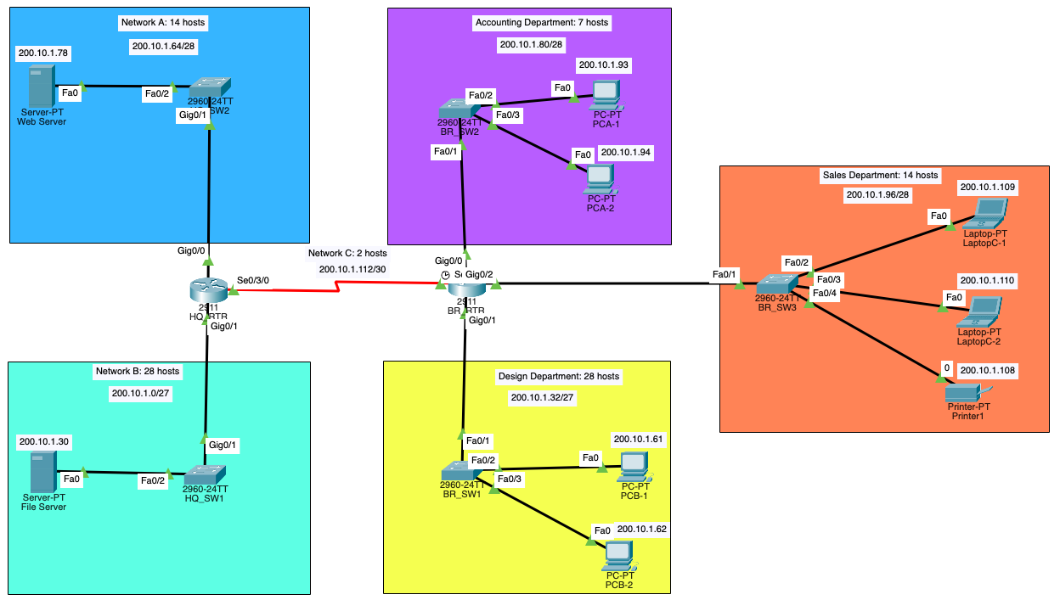

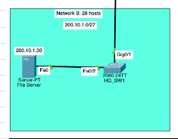
 |  |  |  |  |  |  |  |  |  |  |  |  | Steps for subnetting
Step 1.1 Assign the first subnet to NetB |  |  |  |  |  |  |  |  |  |  |  | 1 | Start by looking at the base network address | 200.10.1.0/24
 |  |  |  |  |  |  |  |  |  |  |  | 2 | Arrange the network by descending order, largest host to smallest host (28, 28, 14, 7, 7, 2)
1) Use the first host address for the HQ_RTR interface connected to HQ_SW1 switch. |  |  |  |  |  |  |  |  |  |  |  | 3 | Look at row 5 (Max.# Host), to see which one gives you sufficient host to allocate
 |  |  |  |  |  |  |  |  |  |  |  | 4 | Once you identified the column - fill up accordingly Prefix = Mask, Plus = Plus and Max.# Host = Max.# Host column in table
2) Use the second host address for the HQ_SW1 switch. Make sure to assign a default gateway address for the switch.
 |  |  |  |  |  |  |  |  |  |  |  | 5 | 1st IP Address = Network + 1
3) Use the last host address for File Server. Make sure to assign a default gateway address for the Web Server |  |  |  |  |  |  |  |  |  |  |  | 6 | Last IP Address = Network + [Max. # Host]
Addressing Table |  |  |  |  |  |  |  |  |  |  |  | 7 | Broadcast Address = Network + [Plus] - 1
Device | Interface | IP Address | Subnet Mask | Default Gateway |  |  |  |  |  |  |  | 8 | Move on to next Subnet if there is host to cater to
HQ_RTR (Router) | G0/0 |  |  | N/A |  |  |  |  |  |  |  | 9 | Repeat Step 1 to 8
 | G0/1 | 200.10.1.1 | 255.255.255.224
 | S0/3/0 |  |  |  | ,
BR_RTR (Router) | G0/0 |  |  | N/A
 | G0/1
 | G0/2
 | S0/3/0
HQ_SW1 (Switch) | VLAN1 | 200.10.1.2 | 255.255.255.224 | 200.10.1.1

HQ_SW2 (Switch) | VLAN1

BR_SW1 (Switch) | VLAN1

BR_SW2 (Switch) | VLAN1

BR_SW3 (Switch) | VLAN1

PCA-1 | NIC
PCA-2 | NIC |  |  |  |  | Addressing Table
PCB-1 | NIC |  |  |  |  | Device | Interface | IP Address | Subnet Mask | Default Gateway
PCB-2 | NIC |  |  |  |  | HQ_RTR (Router) | G0/0 | 200.10.1.65 | 255.255.255.240 | N/A
LaptopC-1 | NIC |  |  |  |  |  | G0/1 | 200.10.1.1 | 255.255.255.224
LaptopC-2 | NIC |  |  |  |  |  | S0/3/0 | 200.10.1.113 | 255.255.255.252
Printer1 | NIC |  |  |  |  | BR_RTR (Router) | G0/0 | 200.10.1.81 | 255.255.255.240 | N/A
Web Server | NIC |  |  |  |  |  | G0/1 | 200.10.1.33 | 255.255.255.224
File Server | NIC | 200.10.1.30 | 255.255.255.224 | 200.10.1.1 |  |  | G0/2 | 200.10.1.97 | 255.255.255.240
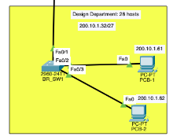
 |  |  |  |  |  |  | S0/3/0 | 200.10.1.114 | 255.255.255.252
Step 1.2. Assign the second subnet to NetE |  |  |  |  |  | HQ_SW1 (Switch) | VLAN1 | 200.10.1.2 | 255.255.255.224 | 200.10.1.1

1) Use the first host address for the BR_RTR interface connected to BR_SW1 switch. |  |  |  |  |  | HQ_SW2 (Switch) | VLAN1 | 200.10.1.66 | 255.255.255.240 | 200.10.1.65

2) Use the second host address for the BR_SW1 switch. Make sure to assign a default gateway address for the switch. |  |  |  |  |  | BR_SW1 (Switch) | VLAN1 | 200.10.1.34 | 255.255.255.224 | 200.10.1.33

3) Use the second last host address for PCB-1.Use the last host address for PCB-2. Make sure to assign a default gateway address for PCB-1 and PCB-2. |  |  |  |  |  | BR_SW2 (Switch) | VLAN1 | 200.10.1.82 | 255.255.255.240 | 200.10.1.81
Addressing Table
Device | Interface | IP Address | Subnet Mask | Default Gateway |  | BR_SW3 (Switch) | VLAN1 | 200.10.1.98 | 255.255.255.240 | 200.10.1.33 200.10.1.97
HQ_RTR (Router) | G0/0 |  |  | N/A
 | G0/1 | 200.10.1.1 | 255.255.255.224 |  |  | PCA-1 | NIC | 200.10.1.93 | 255.255.255.240 | 200.10.1.81
 | S0/3/0 |  |  |  |  | PCA-2 | NIC | 200.10.1.94 | 255.255.255.240 | 200.10.1.81
BR_RTR (Router) | G0/0 |  |  | N/A |  | PCB-1 | NIC | 200.10.1.61 | 255.255.255.224 | 200.10.1.33
 | G0/1 | 200.10.1.33 | 255.255.255.224 |  |  | PCB-2 | NIC | 200.10.1.62 | 255.255.255.224 | 200.10.1.33
 | G0/2 |  |  |  |  | LaptopC-1 | NIC | 200.10.1.109 | 255.255.255.240 | 200.10.1.33 200.10.1.97
 | S0/3/0 |  |  |  |  | LaptopC-2 | NIC | 200.10.1.110 | 255.255.255.240 | 200.10.1.33 200.10.1.97
HQ_SW1 (Switch) | VLAN1 | 200.10.1.2 | 255.255.255.224 | 200.10.1.1 |  | Printer1 | NIC | 200.10.1.108 | 255.255.255.240 | 200.10.1.33 200.10.1.97
 |  |  |  |  |  | Web Server | NIC | 200.10.1.78 | 255.255.255.240 | 200.10.1.65
HQ_SW2 (Switch) | VLAN1 |  |  |  |  | File Server | NIC | 200.10.1.30 | 255.255.255.224 | 200.10.1.1

BR_SW1 (Switch) | VLAN1 | 200.10.1.34 | 255.255.255.224 | 200.10.1.33

BR_SW2 (Switch) | VLAN1

BR_SW3 (Switch) | VLAN1

PCA-1 | NIC
PCA-2 | NIC
PCB-1 | NIC | 200.10.1.61 | 255.255.255.224 | 200.10.1.33
PCB-2 | NIC | 200.10.1.62 | 255.255.255.224 | 200.10.1.33
LaptopC-1 | NIC
LaptopC-2 | NIC
Printer1 | NIC
Web Server | NIC
File Server | NIC | 200.10.1.30 | 255.255.255.224 | 200.10.1.1
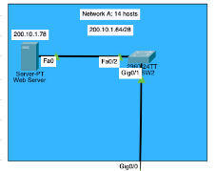
Step 1.3. Assign the third subnet to NetA

1) Use the first host address for the HQ_RTR interface connected to HQ_SW2 switch.

2) Use the second host address for the HQ_SW2 switch. Make sure to assign a default gateway address for the switch.

3) Use the last host address for Web Server. Make sure to assign a default gateway address for the Web Server.
Addressing Table
Device | Interface | IP Address | Subnet Mask | Default Gateway
HQ_RTR (Router) | G0/0 | 200.10.1.65 | 255.255.255.240 | N/A
 | G0/1 | 200.10.1.1 | 255.255.255.224
 | S0/3/0
BR_RTR (Router) | G0/0 |  |  | N/A
 | G0/1 | 200.10.1.33 | 255.255.255.224
 | G0/2
 | S0/3/0
HQ_SW1 (Switch) | VLAN1 | 200.10.1.2 | 255.255.255.224 | 200.10.1.1

HQ_SW2 (Switch) | VLAN1 | 200.10.1.66 | 255.255.255.240 | 200.10.1.65

BR_SW1 (Switch) | VLAN1 | 200.10.1.34 | 255.255.255.224 | 200.10.1.33

BR_SW2 (Switch) | VLAN1

BR_SW3 (Switch) | VLAN1

PCA-1 | NIC
PCA-2 | NIC
PCB-1 | NIC | 200.10.1.61 | 255.255.255.224 | 200.10.1.33
PCB-2 | NIC | 200.10.1.62 | 255.255.255.224 | 200.10.1.33
LaptopC-1 | NIC
LaptopC-2 | NIC
Printer1 | NIC
Web Server | NIC | 200.10.1.78 | 255.255.255.240 | 200.10.1.65
File Server | NIC | 200.10.1.30 | 255.255.255.224 | 200.10.1.1

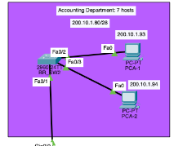
Step 1.4 Assign the fourth subnet to NetD

1) Use the first host address for the BR_RTR interface connected to BR_SW2 switch.

2) Use the second host address for the BR_SW2 switch. Make sure to assign a default gateway address for the switch.

3) Use the second last host address for PCA-1. Use the last host address for PCA-2. Make sure to assign a default gateway address for the PCA-1 and PCA-2.
Addressing Table
Device | Interface | IP Address | Subnet Mask | Default Gateway
HQ_RTR (Router) | G0/0 | 200.10.1.65 | 255.255.255.240 | N/A
 | G0/1 | 200.10.1.1 | 255.255.255.224
 | S0/3/0
BR_RTR (Router) | G0/0 | 200.10.1.81 | 255.255.255.240 | N/A
 | G0/1 | 200.10.1.33 | 255.255.255.224
 | G0/2
 | S0/3/0
HQ_SW1 (Switch) | VLAN1 | 200.10.1.2 | 255.255.255.224 | 200.10.1.1

HQ_SW2 (Switch) | VLAN1 | 200.10.1.66 | 255.255.255.240 | 200.10.1.65

BR_SW1 (Switch) | VLAN1 | 200.10.1.34 | 255.255.255.224 | 200.10.1.33

BR_SW2 (Switch) | VLAN1 | 200.10.1.82 | 255.255.255.240 | 200.10.1.81

BR_SW3 (Switch) | VLAN1

PCA-1 | NIC | 200.10.1.93 | 255.255.255.240 | 200.10.1.81
PCA-2 | NIC | 200.10.1.94 | 255.255.255.240 | 200.10.1.81
PCB-1 | NIC | 200.10.1.61 | 255.255.255.224 | 200.10.1.33
PCB-2 | NIC | 200.10.1.62 | 255.255.255.224 | 200.10.1.33
LaptopC-1 | NIC
LaptopC-2 | NIC
Printer1 | NIC
Web Server | NIC | 200.10.1.78 | 255.255.255.240 | 200.10.1.65
File Server | NIC | 200.10.1.30 | 255.255.255.224 | 200.10.1.1
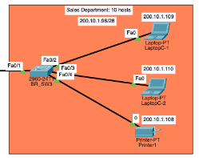
Step 1.5 Assign the fifth subnet to NetF

1) Use the first host address for the BR_RTR interface connected to BR_SW3 switch.

2) Use the second host address for the BR_SW3 switch. Make sure to assign a default gateway address for the switch.

3) Use the third last host address for Printer1. Use the second last host address for LaptopC-1. Use the last host address for LaptopC-2. Make sure to assign a default gateway address for the PCA-1 and PCA-2.
Addressing Table
Device | Interface | IP Address | Subnet Mask | Default Gateway
HQ_RTR (Router) | G0/0 | 200.10.1.65 | 255.255.255.240 | N/A
 | G0/1 | 200.10.1.1 | 255.255.255.224
 | S0/3/0
BR_RTR (Router) | G0/0 | 200.10.1.81 | 255.255.255.240 | N/A
 | G0/1 | 200.10.1.33 | 255.255.255.224
 | G0/2 | 200.10.1.97 | 255.255.255.240
 | S0/3/0
HQ_SW1 (Switch) | VLAN1 | 200.10.1.2 | 255.255.255.224 | 200.10.1.1

HQ_SW2 (Switch) | VLAN1 | 200.10.1.66 | 255.255.255.240 | 200.10.1.65

BR_SW1 (Switch) | VLAN1 | 200.10.1.34 | 255.255.255.224 | 200.10.1.33

BR_SW2 (Switch) | VLAN1 | 200.10.1.82 | 255.255.255.240 | 200.10.1.81

BR_SW3 (Switch) | VLAN1 | 200.10.1.98 | 255.255.255.240 | 200.10.1.33 200.10.1.97

PCA-1 | NIC | 200.10.1.93 | 255.255.255.240 | 200.10.1.81
PCA-2 | NIC | 200.10.1.94 | 255.255.255.240 | 200.10.1.81
PCB-1 | NIC | 200.10.1.61 | 255.255.255.224 | 200.10.1.33
PCB-2 | NIC | 200.10.1.62 | 255.255.255.224 | 200.10.1.33
LaptopC-1 | NIC | 200.10.1.109 | 255.255.255.240 | 200.10.1.33 200.10.1.97
LaptopC-2 | NIC | 200.10.1.110 | 255.255.255.240 | 200.10.1.33 200.10.1.97
Printer1 | NIC | 200.10.1.108 | 255.255.255.240 | 200.10.1.33 200.10.1.97
Web Server | NIC | 200.10.1.78 | 255.255.255.240 | 200.10.1.65
File Server | NIC | 200.10.1.30 | 255.255.255.224 | 200.10.1.1

Step 1.6 Assign the sixth subnet to NetC

1) Use the first host address for the HQ_RTR interface connected to BR_RTR.

2) Use the last host address for BR_RTR to HQ_RTR

Addressing Table
Device | Interface | IP Address | Subnet Mask | Default Gateway
HQ_RTR (Router) | G0/0 | 200.10.1.65 | 255.255.255.240 | N/A
 | G0/1 | 200.10.1.1 | 255.255.255.224
 | S0/3/0 | 200.10.1.113 | 255.255.255.252
BR_RTR (Router) | G0/0 | 200.10.1.81 | 255.255.255.240 | N/A
 | G0/1 | 200.10.1.33 | 255.255.255.224
 | G0/2 | 200.10.1.97 | 255.255.255.240
 | S0/3/0 | 200.10.1.114 | 255.255.255.252
HQ_SW1 (Switch) | VLAN1 | 200.10.1.2 | 255.255.255.224 | 200.10.1.1

HQ_SW2 (Switch) | VLAN1 | 200.10.1.66 | 255.255.255.240 | 200.10.1.65

BR_SW1 (Switch) | VLAN1 | 200.10.1.34 | 255.255.255.224 | 200.10.1.33

BR_SW2 (Switch) | VLAN1 | 200.10.1.82 | 255.255.255.240 | 200.10.1.81

BR_SW3 (Switch) | VLAN1 | 200.10.1.98 | 255.255.255.240 | 200.10.1.33 200.10.1.97

PCA-1 | NIC | 200.10.1.93 | 255.255.255.240 | 200.10.1.81
PCA-2 | NIC | 200.10.1.94 | 255.255.255.240 | 200.10.1.81
PCB-1 | NIC | 200.10.1.61 | 255.255.255.224 | 200.10.1.33
PCB-2 | NIC | 200.10.1.62 | 255.255.255.224 | 200.10.1.33
LaptopC-1 | NIC | 200.10.1.109 | 255.255.255.240 | 200.10.1.33 200.10.1.97
LaptopC-2 | NIC | 200.10.1.110 | 255.255.255.240 | 200.10.1.33 200.10.1.97
Printer1 | NIC | 200.10.1.108 | 255.255.255.240 | 200.10.1.33 200.10.1.97
Web Server | NIC | 200.10.1.78 | 255.255.255.240 | 200.10.1.65
File Server | NIC | 200.10.1.30 | 255.255.255.224 | 200.10.1.1

Packet Tracer Steps (Final)
Packet Tracer Steps
2 Router | 2911
4 Switches | 2960
2 Servers | Server
2 PC | PC

Enable Router to acoomodate for serial DTE Connection |  |  | PASSWORD: |  |  | USERNAME | SSH password
1.Click into router |  |  | USER EXEC MODE | Group1Password | HQ_RTR | SSHadmin | 55Hadm!n
2. Physical Tab |  |  | PRiVILEDGE EXEC MODE | Group1Password | BR_RTR | SSHadmin2 | 55Hadm!n
3. Add the component HWIC-2T

Connect components with Straight through cable
* Router to HQ_SW1 and HQ_SW2 connect from Gig0/0 to Gig/0/1 respectively

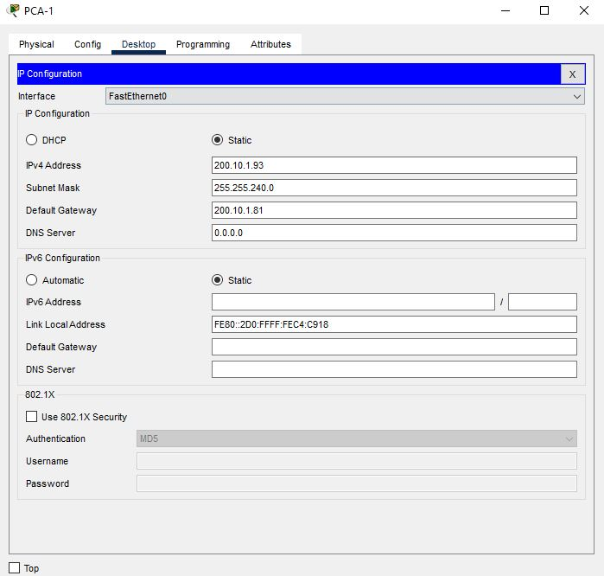
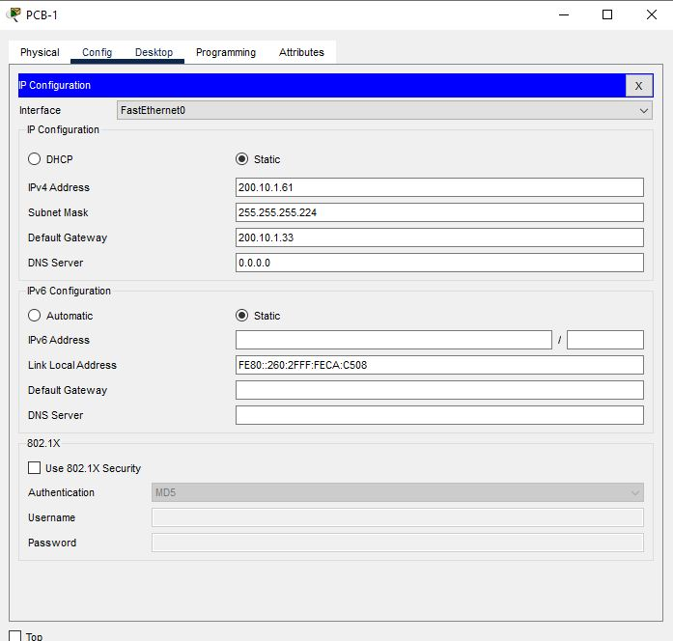
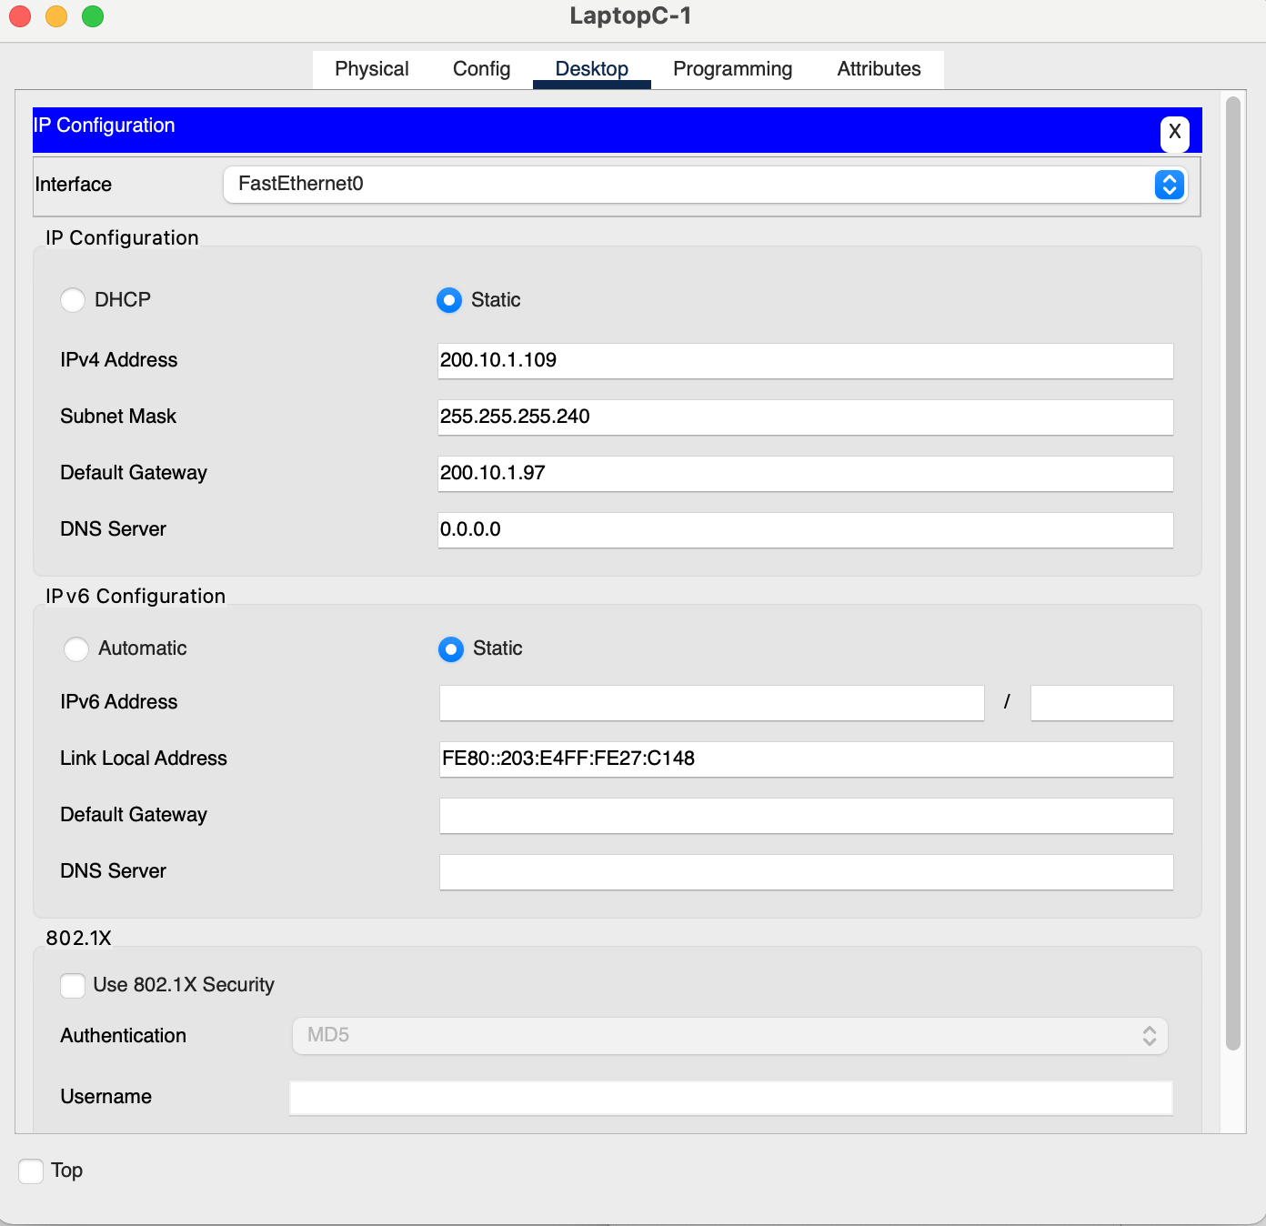
HQ_RTR |  |  |  | BR_RTR |  |  |  | HQ_SW1 |  | HQ_SW2 |  | BR_SW1 |  | BR_SW2 | BR_SW3 | PCA-1 | PCB-1 | LaptopC-1 (Corrected SS - default-gateway)
Router> |  |  |  | Router> |  |  |  | Switch>enable |  | Switch>enable |  | Switch>enable |  | Switch>enable | Switch>en
Router> |  |  |  | Router> |  |  |  | Switch#configure terminal |  | Switch#configure terminal |  | Switch#configure terminal |  | Switch#configure terminal | Switch>enable
Router>en |  |  |  | Router>en |  |  |  | Enter configuration commands, one per line. End with CNTL/Z. |  | Enter configuration commands, one per line. End with CNTL/Z. |  | Enter configuration commands, one per line. End with CNTL/Z. |  | Enter configuration commands, one per line. End with CNTL/Z. | Switch#conf t
Router#conf t |  |  |  | Router#conf t |  |  |  | Switch(config)#interface vlan 1 |  | Switch(config)#interface vlan 1 |  | Switch(config)#hostname BR_SW1 |  | Switch(config)#hostname BR_SW2 | Switch#conf terminal
Enter configuration commands, one per line. End with CNTL/Z. |  |  |  | Enter configuration commands, one per line. End with CNTL/Z. |  |  |  | Switch(config-if)#ip address 200.10.1.2 255.255.255.224 |  | Switch(config-if)#ip address 200.10.1.66 255.255.255.240 |  | BR_SW1(config)#interface vlan 1 |  | BR_SW2(config)#interface vlan 1 | Enter configuration commands, one per line. End with CNTL/Z.
Router(config)#hostname HQ_Rtr |  |  |  | Router(config)#hostname BR_Rtr |  |  |  | Switch(config-if)#no shutdown |  | Switch(config-if)#no shutdown |  | BR_SW1(config-if)#ip address 200.10.1.34 255.255.255.224 |  | BR_SW2(config-if)#ip address 200.10.1.82 255.255.255.240 | Switch(config)#hostname BR_SW3
HQ_Rtr(config)#enable secret Group1Password |  |  |  | BR_Rtr(config)#enable secret Group1Password |  |  |  |  |  |  |  | BR_SW1(config-if)#no shutdown |  | BR_SW2(config-if)#no shutdown | BR_SW3(config)#interfa
HQ_Rtr(config)#line console 0 |  |  |  | BR_Rtr(config)#line console 0 |  |  |  | Switch(config-if)# |  | Switch(config-if)# |  |  |  |  | BR_SW3(config)#interface vlan 1
HQ_Rtr(config-line)#password Group1Password |  |  |  | BR_Rtr(config-line)#password Group1Password |  |  |  | %LINK-5-CHANGED: Interface Vlan1, changed state to up |  | %LINK-5-CHANGED: Interface Vlan1, changed state to up |  | BR_SW1(config-if)# |  | BR_SW2(config-if)# | BR_SW3(config-if)#ip address 200.10.1.98 255.255.255.240
HQ_Rtr(config-line)#login |  |  |  | BR_Rtr(config-line)#login |  |  |  |  |  |  |  | %LINK-5-CHANGED: Interface Vlan1, changed state to up |  | %LINK-5-CHANGED: Interface Vlan1, changed state to up | BR_SW3(config-if)#no shutdown
HQ_Rtr(config-line)#exit |  |  |  | BR_Rtr(config-line)#exit |  |  |  | %LINEPROTO-5-UPDOWN: Line protocol on Interface Vlan1, changed state to up |  | %LINEPROTO-5-UPDOWN: Line protocol on Interface Vlan1, changed state to up
HQ_Rtr(config)#interface gigabitEthernet 0/0 |  |  |  | BR_Rtr(config)#interface gigabitEternet 0/0 |  |  |  |  |  |  |  | %LINEPROTO-5-UPDOWN: Line protocol on Interface Vlan1, changed state to up |  | %LINEPROTO-5-UPDOWN: Line protocol on Interface Vlan1, changed state to up | BR_SW3(config-if)#
HQ_Rtr(config-if)#ip address 200.10.1.65 255.255.255.240 |  |  |  | ^ |  |  |  | Switch(config-if)#exit |  | Switch(config-if)#exit |  |  |  |  | %LINK-5-CHANGED: Interface Vlan1, changed state to up
HQ_Rtr(config-if)#no shutdown |  |  |  | % Invalid input detected at '^' marker. |  |  |  | Switch(config)#ip default-gateway 200.10.1.1 |  | Switch(config)#ip default-gateway 200.10.1.65 |  | BR_SW1(config-if)#exit |  | BR_SW2(config-if)#exit
HQ_Rtr(config-if)#description LAN connection to HQ_SW2 |  |  |  | BR_Rtr(config)#interface gigabitEt 0/0 |  |  |  | Switch(config)#^Z |  | Switch(config)#^Z |  | BR_SW1(config)#ip default-gateway 200.10.1.33 |  | BR_SW2(config)#ip default-gateway 200.10.1.81 | %LINEPROTO-5-UPDOWN: Line protocol on Interface Vlan1
HQ_Rtr(config-if)# |  |  |  | BR_Rtr(config)#interface giga |  |  |  | Switch# |  | Switch# |  | BR_SW1(config)#^Z |  | BR_SW2(config)#^Z | , changed state to up
%LINK-5-CHANGED: Interface GigabitEthernet0/0, changed state to up |  |  |  | BR_Rtr(config)#interface gigabitEthernet 0/0 |  |  |  | %SYS-5-CONFIG_I: Configured from console by console |  | %SYS-5-CONFIG_I: Configured from console by console |  | BR_SW1# |  | BR_SW2#
 |  |  |  | BR_Rtr(config-if)#ip address 200.10.1.81 255.255.255.240 |  |  |  |  |  |  |  | %SYS-5-CONFIG_I: Configured from console by console |  | %SYS-5-CONFIG_I: Configured from console by console
%LINEPROTO-5-UPDOWN: Line protocol on Interface GigabitEthernet0/0, changed state to up |  |  |  | BR_Rtr(config-if)#no shutdown |  |  |  | Switch#copy running-config startup-config |  | Switch#copy running-config startup-config |  |  |  |  | BR_SW3(config-if)#exit
 |  |  |  | BR_Rtr(config-if)#description LAN Connection to BR_SW2 |  |  |  | Destination filename [startup-config]? |  | Destination filename [startup-config]? |  | BR_SW1#copy running-config startup-config |  | BR_SW2#copy running-config startup-config | BR_SW3(config)#ip default-gateway 200.10.1.97
HQ_Rtr(config-if)#interface gigabitEthernet 0/1 |  |  |  | BR_Rtr(config-if)# |  |  |  | Building configuration... |  | Building configuration... |  | Destination filename [startup-config]? |  | Destination filename [startup-config]? | ^
HQ_Rtr(config-if)#ip address 200.10.1.1 255.255.255.224 |  |  |  | %LINK-5-CHANGED: Interface GigabitEthernet0/0, changed state to up |  |  |  | [OK] |  | [OK] |  | Building configuration... |  | Building configuration... | % Invalid input detected at '^' marker.
HQ_Rtr(config-if)#no shutdown |  |  |  |  |  |  |  |  |  | Switch#conf ter |  | [OK] |  | [OK] | BR_SW3(config)#^Z
HQ_Rtr(config-if)#description LAN Connection to HQ_SW1 |  |  |  | %LINEPROTO-5-UPDOWN: Line protocol on Interface GigabitEthernet0/0, changed state to up |  |  |  | Switch#conf terminal |  | Switch#conf terminal |  | BR_SW1# |  | BR_SW2# | BR_SW3#
HQ_Rtr(config-if)# |  |  |  |  |  |  |  | Enter configuration commands, one per line. End with CNTL/Z. |  | Enter configuration commands, one per line. End with CNTL/Z. |  |  |  |  | %SYS-5-CONFIG_I: Configured from console by console | PCA-2 | PCB-2 | LaptopC-2 (Corrected SS - Default Gateway)
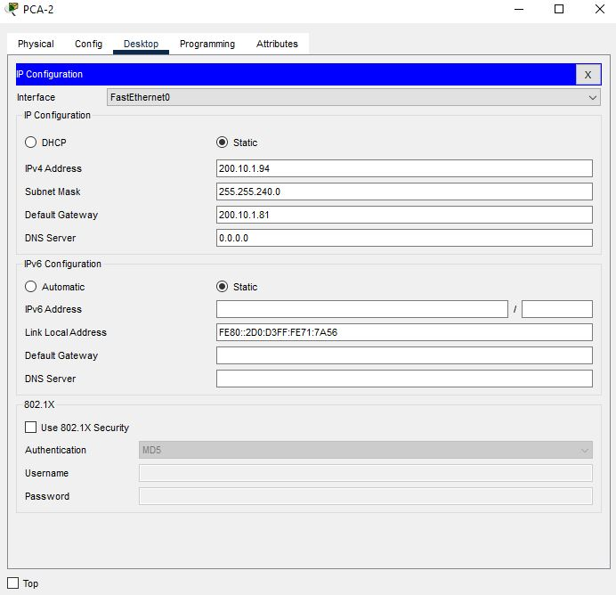
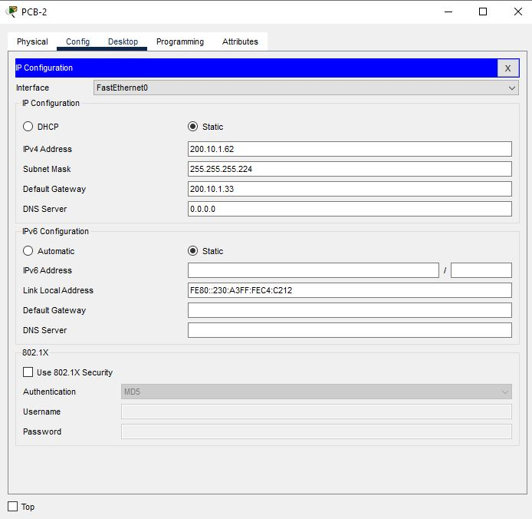
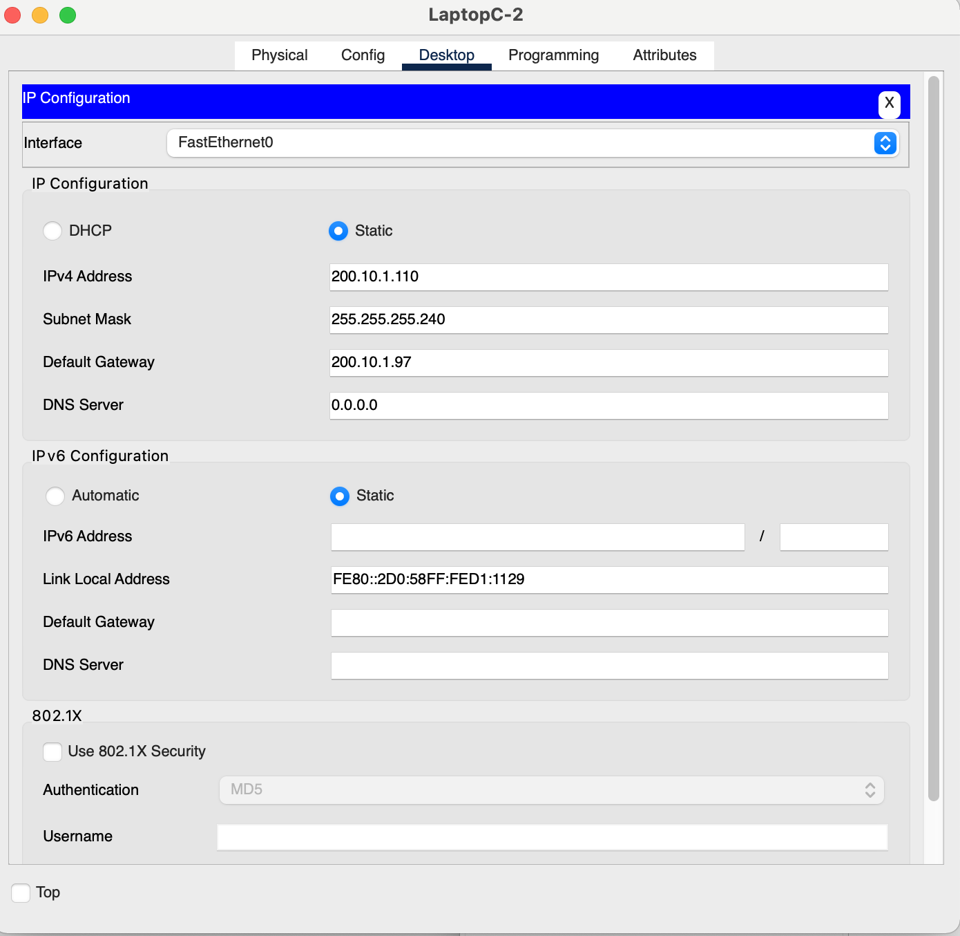
%LINK-5-CHANGED: Interface GigabitEthernet0/1, changed state to up |  |  |  | BR_Rtr(config-if)#interface g |  |  |  | Switch(config)#hostname HQ_SW1 |  | Switch(config)#hostname HQ_SW2
 |  |  |  | BR_Rtr(config-if)#interface gi |  |  |  | HQ_SW1(config)# |  | HQ_SW2(config)# |  |  |  |  | BR_SW3#copy r
%LINEPROTO-5-UPDOWN: Line protocol on Interface GigabitEthernet0/1, changed state to up |  |  |  | BR_Rtr(config-if)#exit |  |  |  |  |  |  |  |  |  |  | BR_SW3#copy running-config star
 |  |  |  | BR_Rtr(config)#int gi |  |  |  | Standard ACL Setup |  | Standard ACL Connectivity Test | SSH Connectivity Test To HQ_RTR and BR_RTR |  |  |  | BR_SW3#copy running-config startup-config
HQ_Rtr(config-if)#^Z |  |  |  | BR_Rtr(config)#int gigabitEthernet 0/1 |  |  |  | HQ_Rtr |  | PCA | File Server |  | PCA |  | Destination filename [startup-config]?
HQ_Rtr# |  |  |  | BR_Rtr(config-if)#ip address 200.10.1.33 255.255.255.224 |  |  |  | HQ_Rtr>enable |  | Cisco Packet Tracer PC Command Line 1.0 | File Server SSH into HQ_Rtr |  | PCA SSH into BR_Rtr |  | Building configuration...
%SYS-5-CONFIG_I: Configured from console by console |  |  |  | BR_Rtr(config-if)#no shutdown |  |  |  | Password: |  | C:\>ping 200.10.1.30 |  |  |  |  | [OK]
 |  |  |  | BR_Rtr(config-if)#description LAN Connection to BR_SW1 |  |  |  | HQ_Rtr#conf t |  |  | Cisco Packet Tracer SERVER Command Line 1.0 |  | Cisco Packet Tracer PC Command Line 1.0 |  | BR_SW3#
HQ_Rtr#copy running-config startup-config |  |  |  | BR_Rtr(config-if)# |  |  |  | Enter configuration commands, one per line. End with CNTL/Z. |  | Pinging 200.10.1.30 with 32 bytes of data: | C:\>ssh -l SSHadmin 200.10.1.1 |  | C:\>ssh -l SSHadmin2 200.10.1.81
Destination filename [startup-config]? |  |  |  | %LINK-5-CHANGED: Interface GigabitEthernet0/1, changed state to up |  |  |  | HQ_Rtr(config)#ip acce
Building configuration... |  |  |  |  |  |  |  | HQ_Rtr(config)#ip access-list standard File_Server_Restrictions |  | Request timed out. | Password: 55Hadm!n |  | Password: 55Hadm!n
[OK] |  |  |  | %LINEPROTO-5-UPDOWN: Line protocol on Interface GigabitEthernet0/1, changed state to up |  |  |  | HQ_Rtr(config-std-nacl)#permit 200.10.1.93 | PCA | Reply from 200.10.1.30: bytes=32 time=15ms TTL=126
HQ_Rtr#conf t |  |  |  |  |  |  |  | HQ_Rtr(config-std-nacl)#permit 200.10.1.94 | Web Server | Reply from 200.10.1.30: bytes=32 time=16ms TTL=126 | Unauthorized access is strictly prohibited |  | Unauthorized access is strictly prohibited
Enter configuration commands, one per line. End with CNTL/Z. |  |  |  | BR_Rtr(config-if)#exit |  |  |  | HQ_Rtr(config-std-nacl)#permit 200.10.1.61 |  | Reply from 200.10.1.30: bytes=32 time=6ms TTL=126
HQ_Rtr(config)#interface se |  |  |  | BR_Rtr(config)#exit |  |  |  | HQ_Rtr(config-std-nacl)#permit 200.10.1.62 |  |  | HQ_Rtr> |  | BR_Rtr>
HQ_Rtr(config)#interface serial 1/0 |  |  |  | BR_Rtr# |  |  |  | HQ_Rtr(config-std-nacl)#permit 200.10.1.109 |  | Ping statistics for 200.10.1.30:
%Invalid interface type and number |  |  |  | %SYS-5-CONFIG_I: Configured from console by console |  |  |  | HQ_Rtr(config-std-nacl)#permit 200.10.1.110 |  | Packets: Sent = 4, Received = 3, Lost = 1 (25% loss), |  |  | PCB
HQ_Rtr(config)#interface serial |  |  |  |  |  |  |  | HQ_Rtr(config-std-nacl)#permit 200.10.1.108 |  | Approximate round trip times in milli-seconds: | Web Server |  | PCA SSH into BR_Rtr
HQ_Rtr(config)#interface serial 0/3/0 |  |  |  | BR_Rtr#conf t |  |  |  | HQ_Rtr(config-std-nacl)#deny any |  | Minimum = 6ms, Maximum = 16ms, Average = 12ms | Web Server SSH into HQ_Rtr
HQ_Rtr(config-if)#ip address 200.10.1.113 255.255.255.252 |  |  |  | Enter configuration commands, one per line. End with CNTL/Z. |  |  |  | HQ_Rtr(config-std-nacl)#show acce |  |  |  |  | Cisco Packet Tracer PC Command Line 1.0
HQ_Rtr(config-if)# |  |  |  | BR_Rtr(config)#interface s |  |  |  | HQ_Rtr(config-std-nacl)#show access-lists |  | Web Server | Cisco Packet Tracer SERVER Command Line 1.0 |  | C:\>ssh -l SSHadmin2 200.10.1.33
02:37:37: %OSPF-5-ADJCHG: Process 1, Nbr 2.2.2.2 on Serial0/3/0 from FULL to DOWN, Neighbor Down: Interface down or detached |  |  |  | BR_Rtr(config)#interface serial 0/3/0 |  |  |  | ^ |  | Cisco Packet Tracer SERVER Command Line 1.0 | C:\>ssh -l SSHadmin 200.10.1.65
 |  |  |  | BR_Rtr(config-if)#ip address 200.10.1.114 255.255.255.252 |  |  |  | % Invalid input detected at '^' marker. |  | C:\>ping 200.10.1.30 |  |  | Password: 55Hadm!n |  |  | Printer 1 (Corrected SS - Default Gateway) | Printer Interface | Printer Global Settings
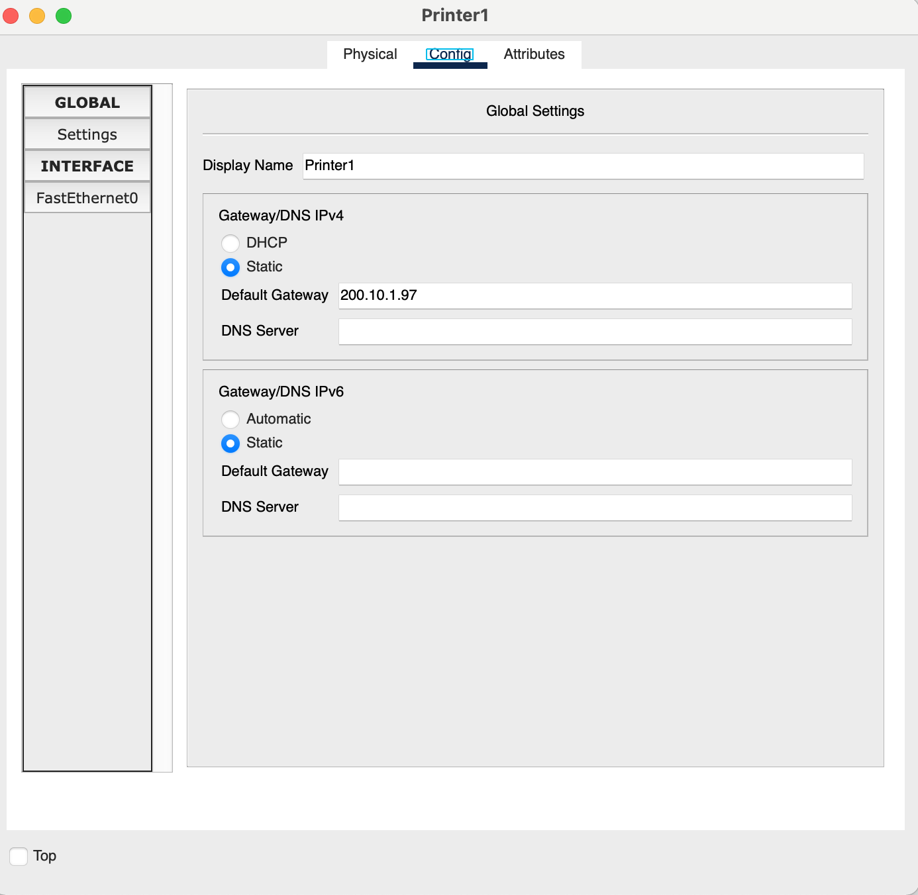
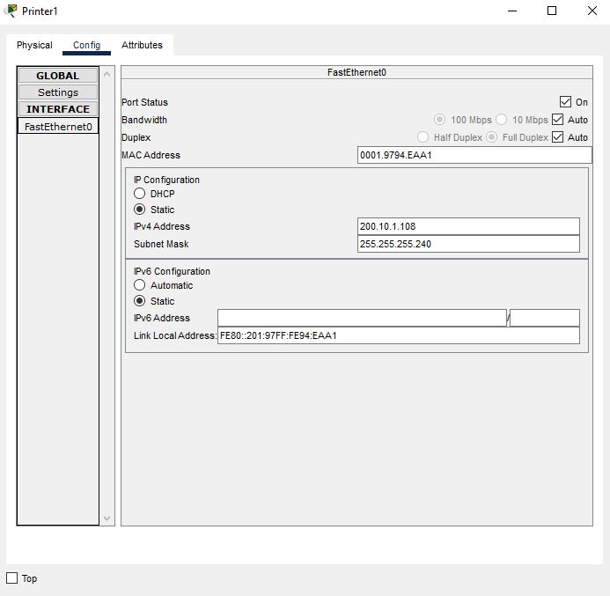
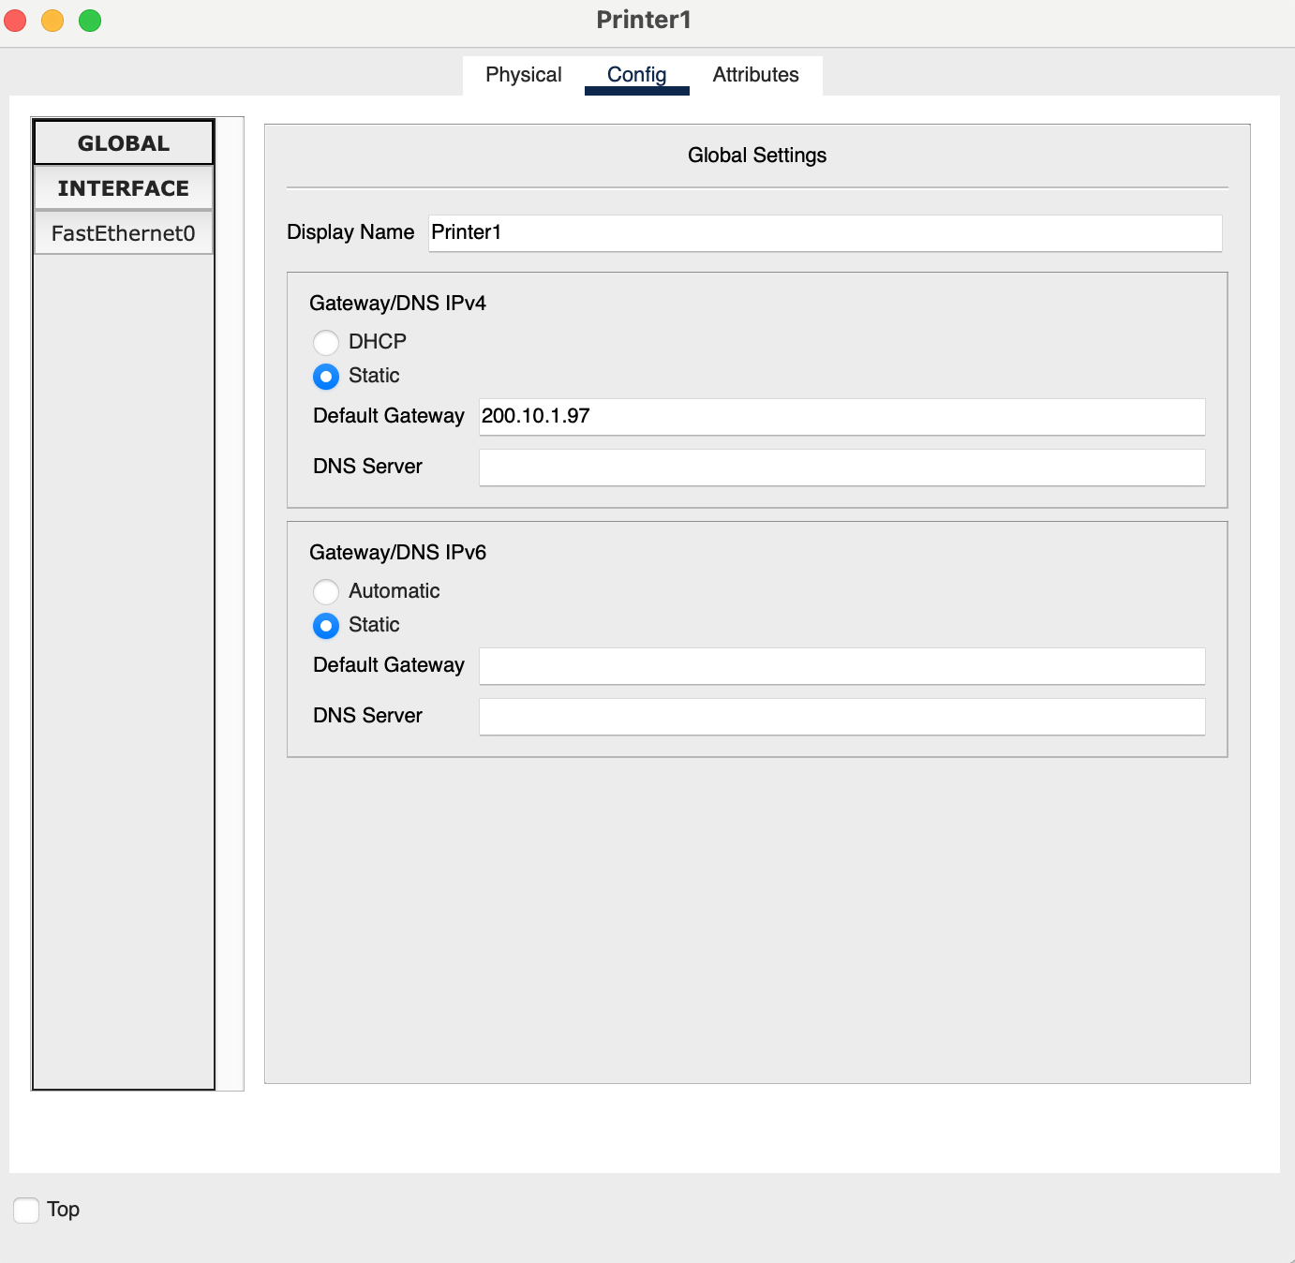
HQ_Rtr(config-if)#no shutdo |  |  |  | BR_Rtr(config-if)#no shutdown |  |  |  | HQ_Rtr(config-std-nacl)#end |  |  | Password: 55Hadm!n
HQ_Rtr(config-if)#no shutdown |  |  |  | BR_Rtr(config-if)#description Serial Connection to HQ_Rtr |  |  |  | HQ_Rtr# |  | Pinging 200.10.1.30 with 32 bytes of data: |  |  | Unauthorized access is strictly prohibited
HQ_Rtr(config-if)#description Serial Connection to BR_Rtr |  |  |  | BR_Rtr(config-if)# |  |  |  | %SYS-5-CONFIG_I: Configured from console by console |  |  | Unauthorized access is strictly prohibited
 |  |  |  | BR_Rtr(config-if)#exit |  |  |  |  |  | Reply from 200.10.1.30: bytes=32 time<1ms TTL=127 |  |  | BR_Rtr>
HQ_Rtr(config-if)#exit |  |  |  | BR_Rtr(config)#conf t |  |  |  | HQ_Rtr#show acc |  | Reply from 200.10.1.30: bytes=32 time=1ms TTL=127 | HQ_Rtr>
HQ_Rtr(config)#ser |  |  |  | %Invalid hex value |  |  |  | HQ_Rtr#show access-lists |  | Reply from 200.10.1.30: bytes=32 time<1ms TTL=127
HQ_Rtr(config)#service pas |  |  |  | BR_Rtr(config)#int |  |  |  |  |  | Reply from 200.10.1.30: bytes=32 time<1ms TTL=127
HQ_Rtr(config)#service password-encryption |  |  |  | BR_Rtr(config)#interface gigabi |  |  |  | Standard IP access list File_Server_Restrictions
HQ_Rtr(config)# |  |  |  | BR_Rtr(config)#interface gigabitEthernet 0/2 |  |  |  | 10 permit host 200.10.1.93 |  | Ping statistics for 200.10.1.30:
 |  |  |  | BR_Rtr(config-if)#ip address 200.10.1.97 255.255.255.240 |  |  |  | 20 permit host 200.10.1.94 |  | Packets: Sent = 4, Received = 4, Lost = 0 (0% loss),
Configure OSPF Routing between Router |  |  |  | BR_Rtr(config-if)#no shutdown |  |  |  | 30 permit host 200.10.1.61 |  | Approximate round trip times in milli-seconds:
HQ_Rtr#conf t |  |  |  | BR_Rtr(config-if)#description LAN connection to BR_SW3 |  |  |  | 40 permit host 200.10.1.62 |  | Minimum = 0ms, Maximum = 1ms, Average = 0ms
Enter configuration commands, one per line. End with CNTL/Z. |  |  |  | BR_Rtr(config-if)# |  |  |  | 50 permit host 200.10.1.109
HQ_Rtr(config)#router ospf |  |  |  | %LINK-5-CHANGED: Interface GigabitEthernet0/2, changed state to up |  |  |  | 60 permit host 200.10.1.110 |  | PCB
% Incomplete command. |  |  |  |  |  |  |  | 70 permit host 200.10.1.108 |  | Cisco Packet Tracer PC Command Line 1.0
HQ_Rtr(config)#router ospf 1 |  |  |  | %LINEPROTO-5-UPDOWN: Line protocol on Interface GigabitEthernet0/2, changed state to up |  |  |  | 80 deny any |  | C:\>ping 200.10.1.30
HQ_Rtr(config-router)#router-id 1.1.1.1
HQ_Rtr(config-router)#do show ip route connected |  |  |  | BR_Rtr(config-if)# |  |  |  | HQ_Rtr#conf t |  | Pinging 200.10.1.30 with 32 bytes of data:
C 200.10.1.0/27 is directly connected, GigabitEthernet0/1 |  |  |  | BR_Rtr# |  |  |  | Enter configuration commands, one per line. End with CNTL/Z.
C 200.10.1.64/28 is directly connected, GigabitEthernet0/0 |  |  |  | %SYS-5-CONFIG_I: Configured from console by console |  |  |  | HQ_Rtr(config)#interfa |  | Reply from 200.10.1.97: Destination host unreachable.
C 200.10.1.112/30 is directly connected, Serial0/3/0 |  |  |  |  |  |  |  | HQ_Rtr(config)#interface Gig0/1 |  | Reply from 200.10.1.97: Destination host unreachable.
 |  |  |  | BR_Rtr# |  |  |  | HQ_Rtr(config-if)#ip access-g |  | Reply from 200.10.1.97: Destination host unreachable.
HQ_Rtr(config-router)#network 200.10.1.0 0.0.0.31 area 0 |  |  |  | BR_Rtr#cop |  |  |  | HQ_Rtr(config-if)#ip access-group File_Server_Restrictions out |  | Reply from 200.10.1.97: Destination host unreachable.
HQ_Rtr(config-router)#network 200.10.1.64 0.0.0.15 area 0 |  |  |  | BR_Rtr#copy run |  |  |  | HQ_Rtr(config-if)#
HQ_Rtr(config-router)#no network 200.10.1.96 0.0.0.3 area 0 |  |  |  | BR_Rtr#copy running-config st |  |  |  | HQ_Rtr(config-if)#^Z |  | Ping statistics for 200.10.1.30:
HQ_Rtr(config-router)#network 200.10.1.112 0.0.0.3 area 0 |  |  |  | BR_Rtr#copy running-config startup-config |  |  |  | HQ_Rtr# |  | Packets: Sent = 4, Received = 0, Lost = 4 (100% loss),
HQ_Rtr(config-router)#p |  | Old Config to replace |  | Destination filename [startup-config]? |  |  |  | %SYS-5-CONFIG_I: Configured from console by console
04:20:20: %OSPF-5-ADJCHG: Process 1, Nbr 2.2.2.2 on Serial0/3/0 from LOADING to FULL, Loading Done
 |  |  |  | Building configuration... |  |  |  | HQ_Rtr#copy ru
HQ_Rtr(config-router)#passive int |  |  |  | [OK] |  |  |  | HQ_Rtr#copy running-config sta
HQ_Rtr(config-router)#passive int |  |  |  | BR_Rtr# |  |  |  | HQ_Rtr#copy running-config startup-config
HQ_Rtr(config-router)#passive interface gi |  |  |  |  |  |  |  | Destination filename [startup-config]?
HQ_Rtr(config-router)#passive- |  |  |  | Configure OSPF Routing between Router |  |  |  | Building configuration...
HQ_Rtr(config-router)#passive-interface gi |  |  |  | BR_Rtr>en |  |  |  | [OK]
HQ_Rtr(config-router)#passive-interface gigabitEthernet 0/0 |  |  |  | Password:
HQ_Rtr(config-router)#passive-interface gigabitEthernet 0/1 |  |  |  | BR_Rtr#conf t
HQ_Rtr(config-router)#exit |  |  |  | Enter configuration commands, one per line. End with CNTL/Z.
HQ_Rtr(config)#exit |  |  |  | BR_Rtr(config)#router ospf 1
HQ_Rtr# |  |  |  | BR_Rtr(config-router)#router-
 |  |  |  | BR_Rtr(config-router)#router-id 2.2.2.2
SSH Setup |  |  |  | BR_Rtr(config-router)#do show ip route co
HQ_RTR |  |  |  | BR_Rtr(config-router)#do show ip route con
Setting Up SSH On HQ_Rtr |  |  |  | C 200.10.1.32/27 is directly connected, GigabitEthernet0/1
 |  |  |  | C 200.10.1.80/28 is directly connected, GigabitEthernet0/0
HQ_Rtr>en |  |  |  | C 200.10.1.96/28 is directly connected, GigabitEthernet0/2
HQ_Rtr>enable |  |  |  | C 200.10.1.112/30 is directly connected, Serial0/3/0
 |  |  |  | BR_Rtr(config-router)#network 200.10.1.32 0.0.0.31 area 0
Password: |  |  |  | BR_Rtr(config-router)#network 200.10.1.80 0.0.0.15 area 0
HQ_Rtr#conf t |  |  |  | BR_Rtr(config-router)#network 200.10.1.96 0.0.0.3 area 0
HQ_Rtr#conf terminal |  |  |  | BR_Rtr(config-router)#network 200.10.1.112 0.0.0.3 area 0
Enter configuration commands, one per line. End with CNTL/Z. |  |  |  | BR_Rtr(config-router)#
HQ_Rtr(config)#username SSHadmin secret 55Hadm!n |  |  |  | 02:13:16: %OSPF-5-ADJCHG: Process 1, Nbr 1.1.1.1 on Serial0/3/0 from LOADING to FULL, Loading Done
HQ_Rtr(config)#crypto key generate rsa
% Please define a domain-name first. |  |  |  | BR_Rtr(config-router)#
HQ_Rtr(config)#1024 |  |  |  | BR_Rtr(config-router)#passi
^ |  |  |  | BR_Rtr(config-router)#passive-interface g
% Invalid input detected at '^' marker. |  |  |  | BR_Rtr(config-router)#passive-interface gigabitEthernet 0/0
HQ_Rtr(config)#ip domain-name ccna-lab.com |  |  |  | BR_Rtr(config-router)#pas
HQ_Rtr(config)#crypto key generate rsa |  |  |  | BR_Rtr(config-router)#passive-interface gi
The name for the keys will be: HQ_Rtr.ccna-lab.com |  |  |  | BR_Rtr(config-router)#passive-interface gigabitEthernet 0/1
Choose the size of the key modulus in the range of 360 to 2048 for your |  |  |  | BR_Rtr(config-router)#passive-interface gigabitEthernet 0/2
General Purpose Keys. Choosing a key modulus greater than 512 may take |  |  |  | BR_Rtr#
a few minutes.
 |  |  |  | SSH Setup
How many bits in the modulus [512]: 1024 |  |  |  | BR_RTR
% Generating 1024 bit RSA keys, keys will be non-exportable...[OK] |  |  |  | Setting Up SSH On BR_Rtr

HQ_Rtr(config)# |  |  |  | BR_Rtr>enable
*Mar 1 2:34:11.411: %SSH-5-ENABLED: SSH 1.99 has been enabled
HQ_Rtr(config)#line console 0 |  |  |  | Password:
HQ_Rtr(config-line)#password Group1Password |  |  |  | BR_Rtr#conf t
HQ_Rtr(config-line)#login |  |  |  | BR_Rtr#conf terminal
HQ_Rtr(config-line)#exect-t |  |  |  | Enter configuration commands, one per line. End with CNTL/Z.
HQ_Rtr(config-line)#exe
HQ_Rtr(config-line)#exec-timeout 6 |  |  |  | BR_Rtr(config)#username SSHadmin2 secret 55Hadm!n
HQ_Rtr(config-line)#logging sync |  |  |  | BR_Rtr(config)#ip domain-name ccna-lab2.com
HQ_Rtr(config-line)#logging synchronous |  |  |  | BR_Rtr(config)#crypto key generate rsa
HQ_Rtr(config-line)#exit |  |  |  | The name for the keys will be: BR_Rtr.ccna-lab2.com
HQ_Rtr(config)#line vty 0 15 |  |  |  | Choose the size of the key modulus in the range of 360 to 2048 for your
HQ_Rtr(config-line)#password Group1Password |  |  |  | General Purpose Keys. Choosing a key modulus greater than 512 may take
HQ_Rtr(config-line)#login local |  |  |  | a few minutes.
HQ_Rtr(config-line)#exect-time
HQ_Rtr(config-line)#exec |  |  |  | How many bits in the modulus [512]: 1024
HQ_Rtr(config-line)#exec-timeout 6 |  |  |  | % Generating 1024 bit RSA keys, keys will be non-exportable...[OK]
HQ_Rtr(config-line)#trans
HQ_Rtr(config-line)#transport inp |  |  |  | BR_Rtr(config)#line console 0
HQ_Rtr(config-line)#transport input ssh |  |  |  | *Mar 1 2:56:23.79: %SSH-5-ENABLED: SSH 1.99 has been enabled
HQ_Rtr(config-line)#exit |  |  |  | BR_Rtr(config-line)#password Group1Password
HQ_Rtr(config)#banner motd "Unauthorized access is strictly prohibited" |  |  |  | BR_Rtr(config-line)#login
HQ_Rtr(config)# |  |  |  | BR_Rtr(config-line)#ex
HQ_Rtr(config)#service password-encryption |  |  |  | BR_Rtr(config-line)#exec
HQ_Rtr(config)#end |  |  |  | BR_Rtr(config-line)#exec-timeout 6
HQ_Rtr# |  |  |  | BR_Rtr(config-line)#loggin sy
%SYS-5-CONFIG_I: Configured from console by console |  |  |  | BR_Rtr(config-line)#logging synchronous
HQ_Rtr#copy run |  |  |  | BR_Rtr(config-line)#exit
HQ_Rtr#copy running-config st |  |  |  | BR_Rtr(config)#line vty 0 15
HQ_Rtr#copy running-config startup-config |  |  |  | BR_Rtr(config-line)#password Group1Password
Destination filename [startup-config]? |  |  |  | BR_Rtr(config-line)#login local
Building configuration... |  |  |  | BR_Rtr(config-line)#exect-ti
[OK] |  |  |  | BR_Rtr(config-line)#exec-t
HQ_Rtr# |  |  |  | BR_Rtr(config-line)#exec-timeout 6
 |  |  |  | BR_Rtr(config-line)#transport input ssh
 |  |  |  | BR_Rtr(config-line)#exit
 |  |  |  | BR_Rtr(config)#banner motd "Unauthorized access is strictly prohibited"
 |  |  |  | BR_Rtr(config)#service password-encryption
 |  |  |  | BR_Rtr(config)#end
 |  |  |  | BR_Rtr#
 |  |  |  | %SYS-5-CONFIG_I: Configured from console by console
 |  |  |  | BR_Rtr#copy run
 |  |  |  | BR_Rtr#copy running-config st
 |  |  |  | BR_Rtr#copy running-config startup-config
 |  |  |  | Destination filename [startup-config]?
 |  |  |  | Building configuration...
 |  |  |  | [OK]
 |  |  |  | BR_Rtr#

